data
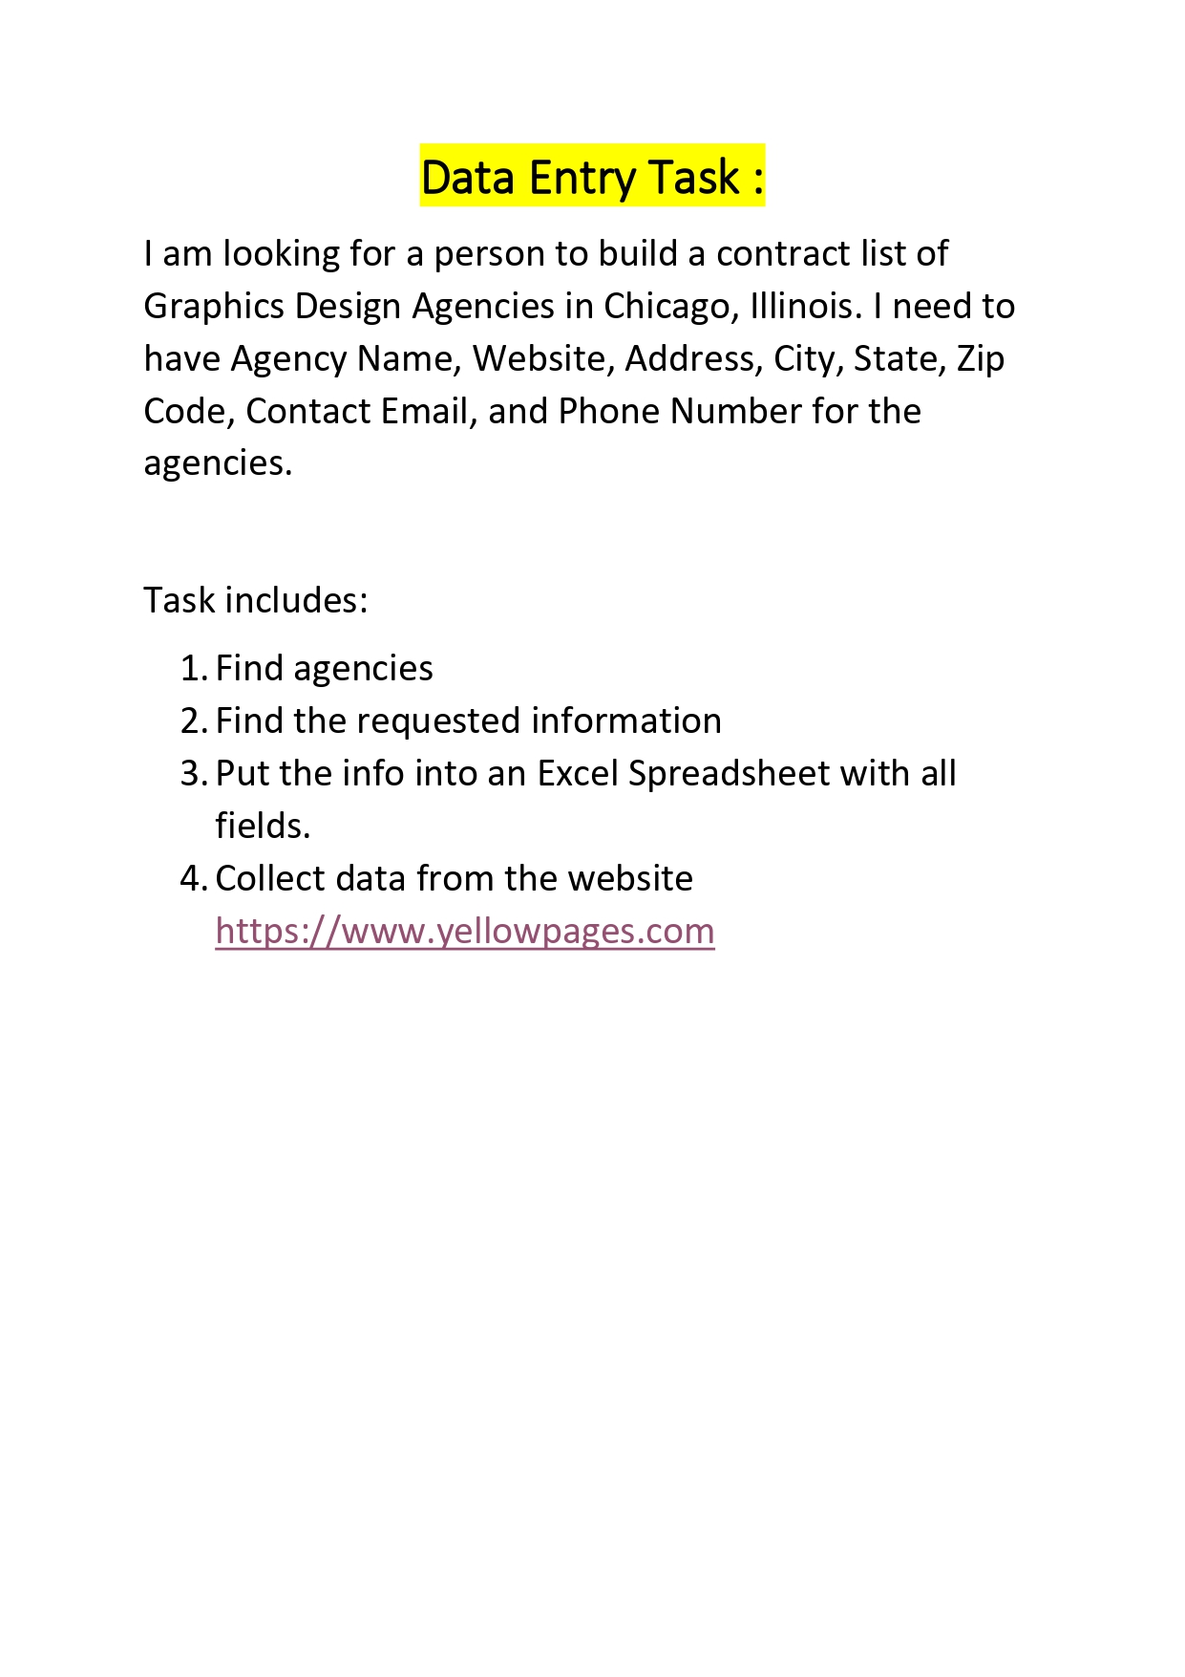
 | Graphics Design Agencies

S No. | Agency Name | Website | Address | City | State | Zip Code | Contact Email | Phone Number
1 | Simple Truth | https://www.identitymakers.co/ | 314 W Superior St, Chicago, IL 60654 | Chicago | IL | 6065 | st.alerts@yoursimpletruth.com <st.alerts@yoursimpletruth.com | (312) 376-0360
2 | Spoon Creative Inc | https://spooninc.com/work | 220 N Green St, Chicago, IL 60607 | Chicago | IL | 60607 | info@spooninc.com <info@spooninc.com | (312) 455-9102
3 | Brad Miller Design Inc | www.bradmillerdesign.com | 2144 N Claremont Ave, Chicago, IL 60647 | Chicago | IL | 60647 | info@bradmillerdesign.com <info@bradmillerdesign.com | (773) 384-4814
4 | Ges | www.ges.com/ | 5248 S Cicero Ave, Chicago, IL 60638 | Chicago | IL | 60638 | N/A | (773) 767-2237
5 | D'namic Design | www.identitymakers.co | 1743 W Wellington Ave, Chicago, IL 60657 | Chicago | IL | 60657 | hello@dnamicdesign.com <hello@dnamicdesign.com | (312) 466-1223
6 | Orange Beautiful | http://orangebeautiful.com/ | 1700 W Irving Park Rd, Chicago, IL 60613 | Chicago | IL | 60613 | orangebeautiful@gmail.com <orangebeautiful@gmail.com | (773) 975-3570
7 | Art on the Loose Inc | https://artontheloose.com/ | 1740 W 99th St, Chicago, IL 6064 | Chicago | IL | 60643 | info@artontheloose.com | (773) 239-5333
8 | Bernal Graphics | N/A | 6252 N Pulaski Rd, Chicago, IL 60646 | Chicago | IL | 60646 | N/A | (773) 853-0667
9 | Real Art | https://realart.com/ | 1006 S Michigan Ave, Chicago, IL 60605 | Chicago | IL | 60605 | contact@realart.com | (312) 922-0695
10 | Moira & Co | http://www.moira-company.com/ | 1362 W Grand Ave, Chicago, IL 60642 | Chicago | IL | 60642 | mail@moira-company.com | (312) 666-7555

